PO
 |  |  | PURCHASE ORDER

EXPORTER: |  |  | REFERENCE: | SM-1000
 |  |  | DATE: | 2017-12-30
 |  |  | SHIPMENT MODE: | BY SEA
 |  |  | SHIPMENT TERMS: | EX-FACTORY
 |  |  | PAYMENT TERMS: | 100% CASH ADVANCE

REPRESENTATIVE OF THE EXPORTER: |  |  | SHIP TO:
 |  |  | SKY PLASTIC GROUP AG
 |  |  | Haimburg, Austria

Description | Qty | UM | Unit Price | Amount

Amount in Words:
 |  |  | Subtotal | AED 0.00
Packing: Container |  |  | Others

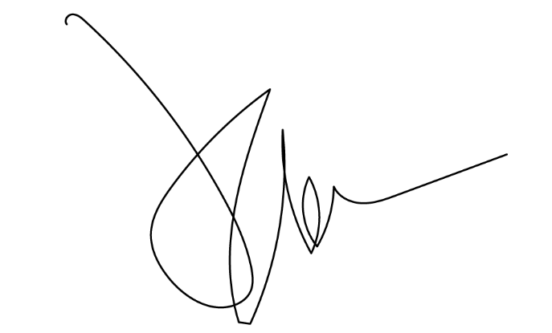
Origin:Switzerland |  |  | Total Amount | AED 0.00
Loading Port:Lugano,Switzerland
Discharge Port: Port of Trieste, Italy

